Calculate Formula for reg line

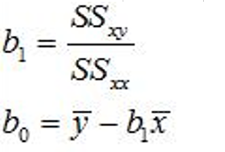

 | Xi | Yi |  | xi-xbar | yi-ybar | (xi-xbar)^2 | (yi-ybar)^2 | (xi-xbar)(yi-ybar)
 | 1 | 1 |  | -2 | -1 | 4 | 1 | 2
 | 2 | 1 |  | -1 | -1 | 1 | 1 | 1
 | 3 | 2 |  | 0 | 0 | 0 | 0 | 0
 | 4 | 2 |  | 1 | 0 | 1 | 0 | 0
 | 5 | 4 |  | 2 | 2 | 4 | 4 | 4
Sum | 15 | 10 | Sum | 0 | 0 | 10 | 6 | 7
Mean | 3 | 2

 |  |  |  | SSxx | 10
 |  |  |  | SSyy | 6
 |  |  |  | SSxy | 7
 |  |  |  | b1 | 0.7
 |  |  |  | b0 | -0.1

 |  |  |  | Simple regression equation
 |  |  |  | yhat = -0.1 + 0.7x

 |  |  |  | Use this equation for prediction by simply plugging in any value for x
 |  |  |  | yhat = .1 + .7(5) = 3.6
 |  |  |  | yhat = .1 + .7(3) = 2.2

Statistical sig for coefs
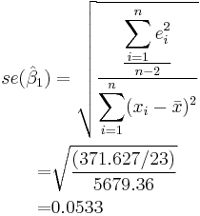

 |  | SSE/n-p-1 equals | 0.3666666667 | equals the mean squared error
 |  | SSxx equals | 10
 |  | divide one by the other | 0.03666666667
 |  | take square root | 0.1914854216 | equals std error for b1

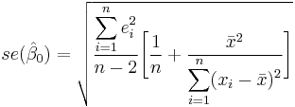
 |  | SSE/n-2 equals | 0.3666666667 | equals the mean squared error
 |  | mean of x squared | 9
 |  | SSxx | 10
 |  | 1/n | 0.2

 |  | mean of x squared divided by SSxx | 0.9
 |  | add 1/n to above | 1.1
 |  | multipley by Std error of estimate | 0.4033333333
 |  | take square root of above | 0.6350852961 | equals std error for b0

 | t value equals | b0/Std error for b0 | -0.1574591643
 | t value equals | b1/Std error for b1 | 3.655630775

Confidence intervals build on the above as follows:

Stat sig for pt estimates
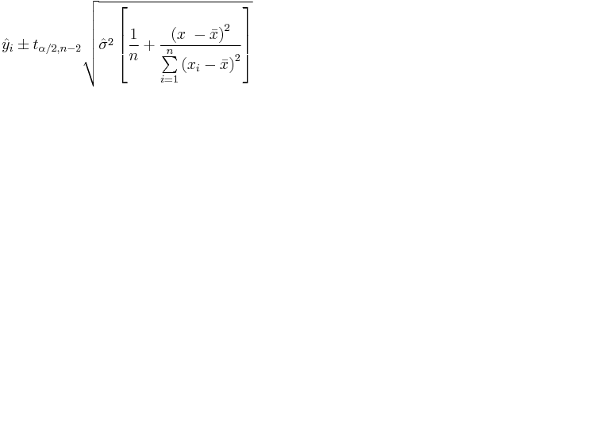

 | thetahat squared is the mean squared error | SSE/n-p-1 | 0.3666666667
 | 1/n | 0.2
 | SSxx | 10 | equals sum of squared devs of x
 | "x" equals value of x to calculate interval around so…
 | (x-xbar)^2 depends on value of x corresponding with prediction of yhat we are interested in: | Let's say 3
 | xbar | 3
 | (x-xbar)^2 | 0
yhat plus or minus critical value of t | MSE * 1/n | 0.07333333333
multiply above by right side of equation | Square root of the above | 0.2708012802
 | multiply by critical value of t at two degrees of freedom | 0.861797994
 | critical t value at 95 percent confidence is 3.1824
 | yhat=-.1 + .7x
 | confidence interval for yhat equals | .6 plus or minus .86

